Sheet2
County | City | Latitude | Longtitude
Orange | Tustin | 33.7458511 | -117.826166
Orange | Santa Ana | 33.7494951 | -117.8732213
Orange | Orange | 33.787914 | -117.853104
Orange | Anaheim | 33.8347516 | -117.911732
Orange | Garden Grove | 33.7746292 | -117.9463717
Orange | Fountain Valley | 33.7038145 | -117.9627349
Orange | Brea | 33.9170444 | -117.888855
Orange | Fullerton | 33.8708215 | -117.9294165
Orange | Buena Park | 33.870413 | -117.9962165
Orange | Costa Mesa | 33.6633386 | -117.903317
Orange | Cypress | 33.8248235 | -118.0399368
Orange | Huntington Beach | 33.6783336 | -118.0000166
Orange | Irvine | 33.6856969 | -117.8259819
Orange | La Habra | 33.9316066 | -117.9454867
Orange | La Palma | 33.846404 | -118.0467306
Orange | Los Alamitos | 33.8038865 | -118.0772433
Orange | Newport Beach | 33.6170092 | -117.9294401
Orange | Placentia | 33.8714814 | -117.8617337
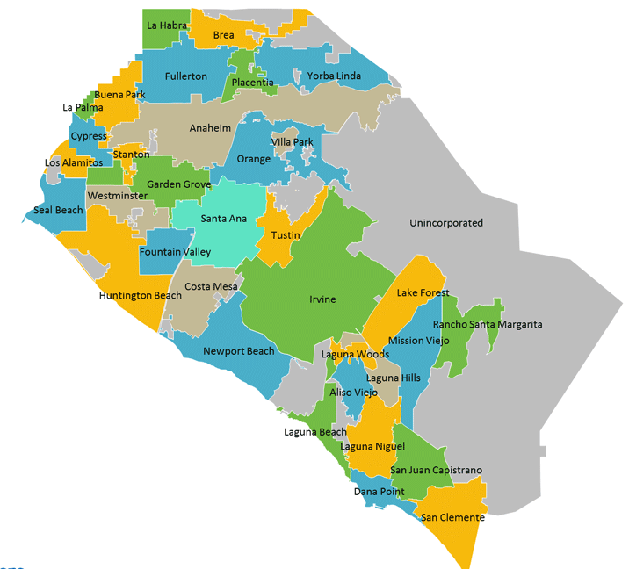
Orange | Seal Beach | 33.7423967 | -118.1055926
Orange | Stanton | 33.79410005 | -117.9951006
Orange | Westminster | 33.7578725 | -117.9859054
Los Angeles | Long Beach | 33.7690164 | -118.191604
Los Angeles | Lakewood | 33.8503463 | -118.117191
Los Angeles | Bellflower | 33.8825705 | -118.1167679
Los Angeles | Artesia | 33.8690197 | -118.0796195
Los Angeles | Cerritos | 33.8644291 | -118.0539323
Los Angeles | Norwalk | 33.9092802 | -118.0849169
Los Angeles | La Mirada | 33.9060971 | -118.0107092
Los Angeles | South Whittier | 33.9366769 | -118.0288059
Los Angeles | Whittier | 33.9708782 | -118.030839
Los Angeles | La Habra Heights | 33.9604546 | -117.9504255
 | Aliso Viejo | 33.5761376 | -117.7258122
 | Dana Point | 33.4669721 | -117.6981075
 | Laguna Beach | 33.5426975 | -117.785366
 | Laguna Hills | 33.5948758 | -117.6882067
 | Laguna Niguel | 33.5225261 | -117.7075526
 | Laguna Woods | 33.6106076 | -117.7249722
 | Lake Forest | 33.6469261 | -117.6859213
 | Mission Viejo | 33.5965685 | -117.659405
 | Rancho Santa Margarita | 33.6408845 | -117.6029341
 | San Clemente | 33.4270275 | -117.6124179
 | San Juan Capistrano | 33.5016932 | -117.6625509
 | Villa Park | 33.8147541 | -117.8206235
 | Yorba Linda | 33.8901096 | -117.8249705

